009 - Sort by Country
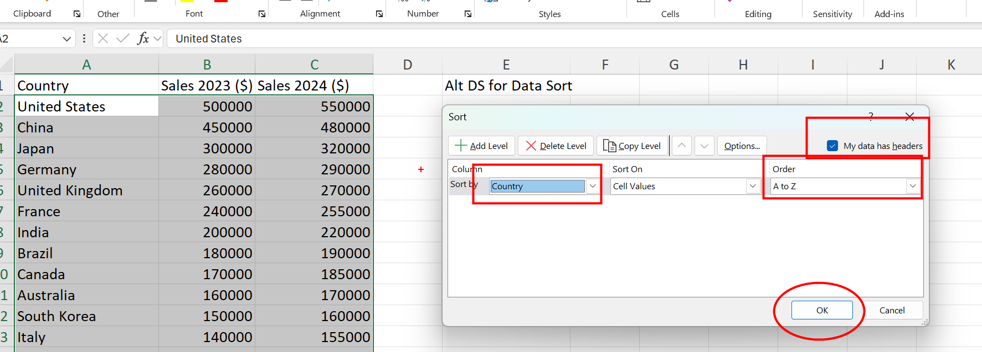
Country | Sales 2023 ($) | Sales 2024 ($) | Alt DS for Data Sort
Australia | 160000 | 170000
Brazil | 180000 | 190000
Canada | 170000 | 185000
China | 450000 | 480000
France | 240000 | 255000
Germany | 280000 | 290000
India | 200000 | 220000
Italy | 140000 | 155000
Japan | 300000 | 320000
Mexico | 120000 | 130000
Netherlands | 110000 | 120000
Russia | 90000 | 100000
Saudi Arabia | 80000 | 90000
South Korea | 150000 | 160000
Spain | 130000 | 145000
Sweden | 85000 | 95000
Switzerland | 95000 | 105000
Turkey | 100000 | 110000
United Kingdom | 260000 | 270000
United States | 500000 | 550000

025 - Combine Names (2)
In D2 and E2 we have entered sample
results. create a formula to get similar
answers for d and e column.
in E column when the country name is having a space then replace it with a _
First Name | Last Name | Country | Answer | Answer2
Virat | Kohli | India | Virat Kohli (India) | virat.kohli@india.com | Flash Fill the shortcut is Ctrl + E
Steve | Smith | Australia | Steve Smith (Australia) | steve.smith@australia.com
Kane | New | New Zealand | Kane New (New Zealand) | kane.new@new_zealand.com
Joe | Root | England | Joe Root (England) | joe.root@england.com
Babar | Azam | Pakistan | Babar Azam (Pakistan) | babar.azam@pakistan.com
Quinton | South | South Africa | Quinton South (South Africa) | quinton.south@south_africa.com
Jasprit | Bumrah | India | Jasprit Bumrah (India) | jasprit.bumrah@india.com
Ben | Stokes | England | Ben Stokes (England) | ben.stokes@england.com
David | Warner | Australia | David Warner (Australia) | david.warner@australia.com
Rashid | Khan | Afghanistan | Rashid Khan (Afghanistan) | rashid.khan@afghanistan.com
Ross | New | New Zealand | Ross New (New Zealand) | ross.new@new_zealand.com
Faf | South | South Africa | Faf South (South Africa) | faf.south@south_africa.com
Shakib | Hasan | Bangladesh | Shakib Hasan (Bangladesh) | shakib.hasan@bangladesh.com
Eoin | Morgan | England | Eoin Morgan (England) | eoin.morgan@england.com
Pat | Cummins | Australia | Pat Cummins (Australia) | pat.cummins@australia.com
Shai | West | West Indies | Shai West (West Indies) | shai.west@west_indies.com
Mushfiqur | Rahim | Bangladesh | Mushfiqur Rahim (Bangladesh) | mushfiqur.rahim@bangladesh.com
Lasith | Sri | Sri Lanka | Lasith Sri (Sri Lanka) | lasith.sri@sri_lanka.com
Jason | West | West Indies | Jason West (West Indies) | jason.west@west_indies.com
Kagiso | South | South Africa | Kagiso South (South Africa) | kagiso.south@south_africa.com

026 - Split Names (2)
In B2, C2 & D2 we have entered sample
results. create a formula to get similar
answers for B till D column.
Answer should be in Capital Letters
 | First Name | Last Name | Country
Virat Kohli (India) | VIRAT | KOHLI | INDIA
Steve Smith (Australia) | STEVE | SMITH | AUSTRALIA
Kane New (New Zealand) | KANE | NEW | NEW ZEALAND
Joe Root (England) | JOE | ROOT | ENGLAND
Babar Azam (Pakistan) | BABAR | AZAM | PAKISTAN
Quinton South (South Africa) | QUINTON | SOUTH | SOUTH AFRICA | Window + V
Jasprit Bumrah (India) | JASPRIT | BUMRAH | INDIA
Ben Stokes (England) | BEN | STOKES | ENGLAND
David Warner (Australia) | DAVID | WARNER | AUSTRALIA
Rashid Khan (Afghanistan) | RASHID | KHAN | AFGHANISTAN
Ross New (New Zealand) | ROSS | NEW | NEW ZEALAND
Faf South (South Africa) | FAF | SOUTH | SOUTH AFRICA
Shakib Hasan (Bangladesh) | SHAKIB | HASAN | BANGLADESH
Eoin Morgan (England) | EOIN | MORGAN | ENGLAND
Pat Cummins (Australia) | PAT | CUMMINS | AUSTRALIA
Shai West (West Indies) | SHAI | WEST | WEST INDIES
Mushfiqur Rahim (Bangladesh) | MUSHFIQUR | RAHIM | BANGLADESH
Lasith Sri (Sri Lanka) | LASITH | SRI | SRI LANKA
Jason West (West Indies) | JASON | WEST | WEST INDIES
Kagiso South (South Africa) | KAGISO | SOUTH | SOUTH AFRICA

